Final Grades
LearnFast College
Introduction to Business
Sep-16

First | Last | Student ID# | Quizzes | Projects | Participation | Exam | Final Grade
Ashley | Ronayne | 53844 | 91% | 95% | 100% | 82% | 89%
Atif | Khalil | 45894 | 96% | 86% | 100% | 80% | 87%
Austin | Farrell | 50572 | 85% | 92% | 90% | 83% | 87%
Crystal | Robinson | 47088 | 88% | 88% | 95% | 88% | 88%
Felicia | Murray | 45003 | 92% | 85% | 100% | 87% | 88%
Jessica | McInnis | 45537 | 93% | 90% | 95% | 77% | 86%
John | Aikens | 51028 | 85% | 97% | 95% | 47% | 74%
Linda | Jefferies | 39695 | 92% | 90% | 100% | 89% | 91%
Pamela | Clark | 46389 | 79% | 76% | 90% | 88% | 83%
Pedro | Espinosa | 37059 | 97% | 91% | 85% | 87% | 90%
Robert | Moreira | 53846 | 95% | 93% | 100% | 87% | 91%
Sarah | Mullins | 35742 | 94% | 87% | 100% | 80% | 87%
 | Final Grade
Ashley | 89%
Atif | 87%
Austin | 87%
Crystal | 88%
Felicia | 88%
Jessica | 86%
John | 74%
Linda | 91%
Pamela | 83%
Pedro | 90%
Robert | 91%
Sarah | 87%

Instructions
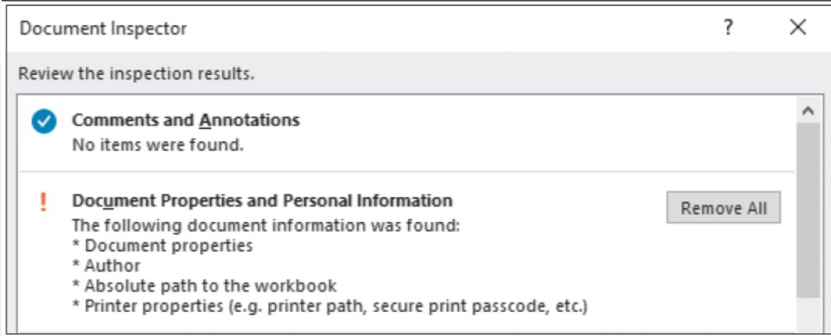
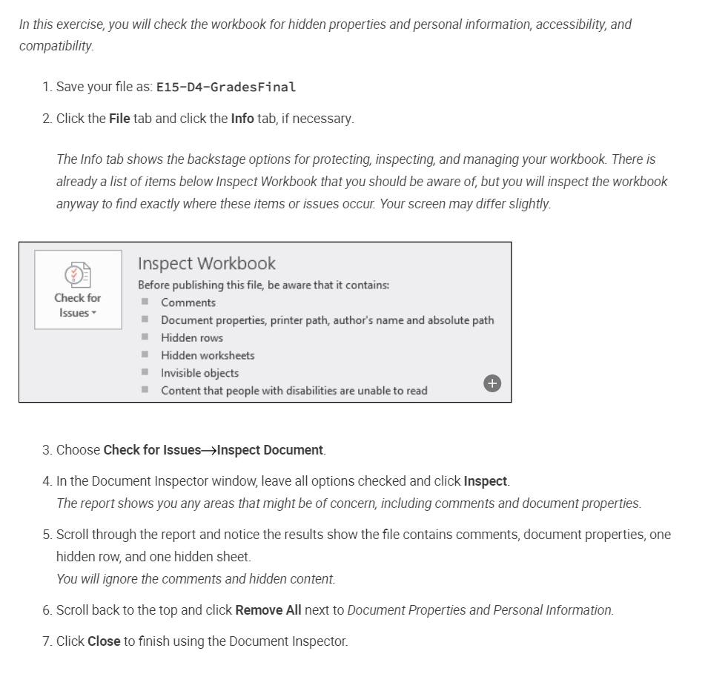
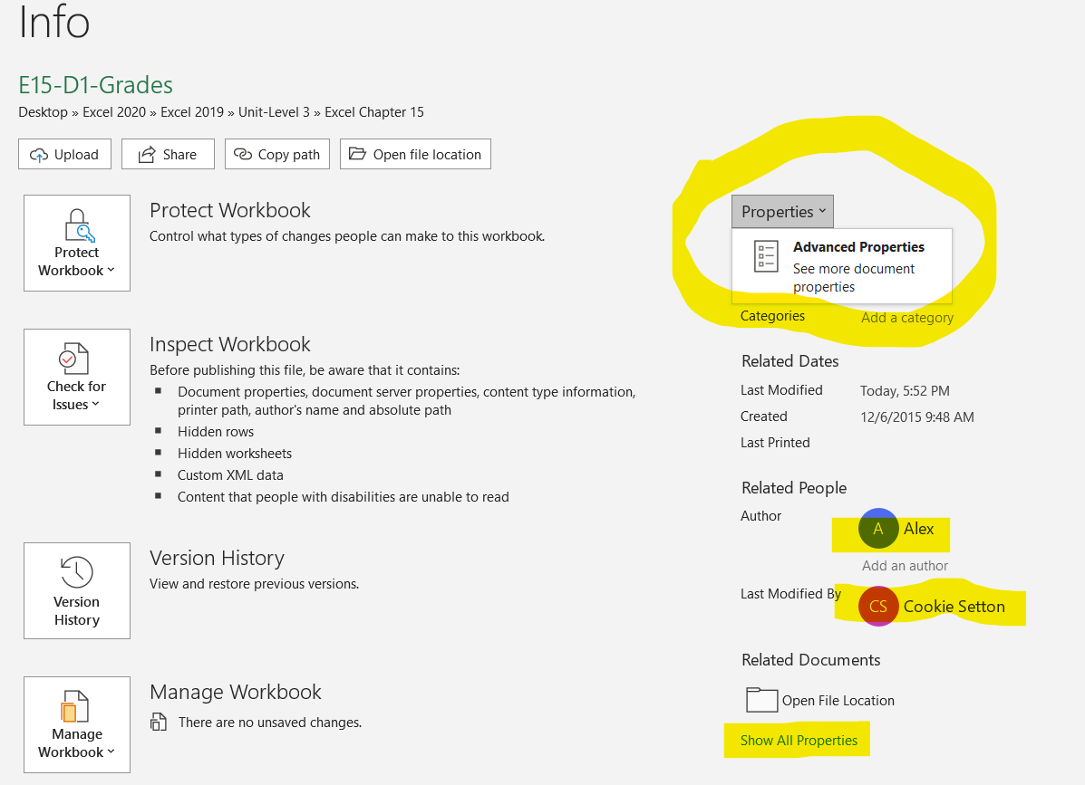
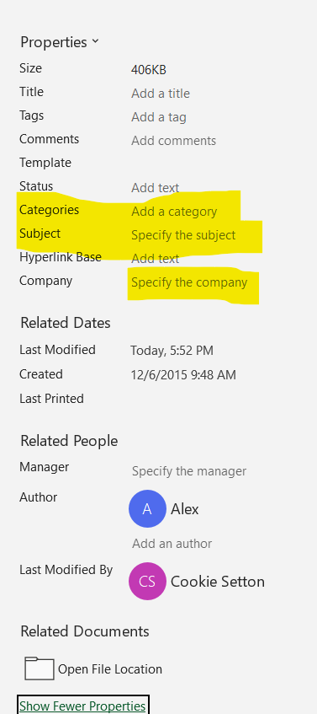
Inspecting Your Workbook
When you are finished editing a workbook, you might want others to see or use it. It’s a good idea to check certain aspects of a workbook before sharing it. For example, you might want to check for personal information, accessibility issues, or compatibility. And if you will share your workbook with those in other parts of the world, you may want to set language options as well.
Inspect a Workbook for Hidden Properties or Personal Information
The Document Inspector searches your workbook for certain information you may not wish others to see. This table gives examples of data that you may include in a search, as well as items that will not be searched.

DOCUMENT INSPECTOR

Items Included | Items Not Included
Hidden worksheets, rows, columns, and names | Data entered in remote areas of a worksheet
Comments, ink annotations, and invisible content | White text on a white background
Document properties and personal information | Data on a worksheet covered by a picture or shape
Scenarios in the Scenario Manager
Headers and footers
Before running the Document Inspector, it’s a good idea to save a copy of your workbook. The Document Inspector will prompt you to save the file, but it’s wise to have a backup. You also have the option of choosing which items to inspect and which to omit from the inspection.
After performing the inspection, the Document Inspector displays the search results. Nothing is removed until you choose to do so. Once you choose Remove All, however, the removal may be permanent. You cannot choose whether to keep or remove specific items within a category.

