Sheet1
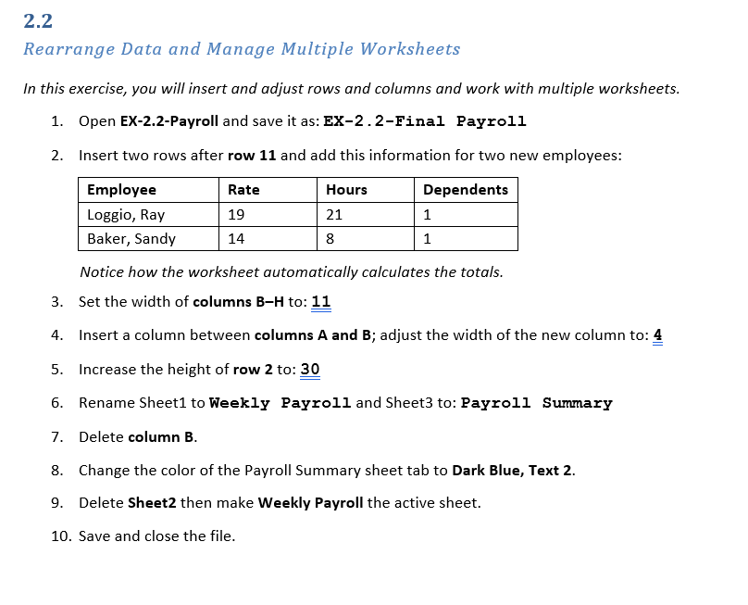
Spirit Consulting LLC Weekly Payroll
Prepared by Gigi Powers

Employee | Rate | Hours | Dependents | Gross Pay | Federal Tax | State Tax | Net Pay
Adams, Cindy | 27.50 | 40.25 | 4 | 1,106.88 | 190.61 | 35.42 | 880.85
Kali, Ann | 65.00 | 56.00 | 1 | 3,640.00 | 720.31 | 116.48 | 2,803.21
Rover, Randall | 40.00 | 38.00 | 3 | 1,520.00 | 280.92 | 48.64 | 1,190.44
Santiago, Luis | 72.00 | 46.50 | 6 | 3,348.00 | 623.45 | 107.14 | 2,617.42
Stein, Mark | 27.50 | 17.00 | 2 | 467.50 | 78.12 | 14.96 | 374.42
Zan, Tami | 14.00 | 28.00 | 5 | 392.00 | 39.94 | 12.54 | 339.52
Totals |  | 225.75 |  | 10,474.38 | 1,933.34 | 335.18 | 8,205.85
Average | 41.00 | 37.63 | 3.5 | 1,745.73 | 322.22 | 55.86 | 1,367.64
Highest | 72.00 | 56.00 | 6 | 3,640.00 | 720.31 | 116.48 | 2,803.21
Lowest | 14.00 | 17.00 | 1 | 392.00 | 39.94 | 12.54 | 339.52

