Sheet1
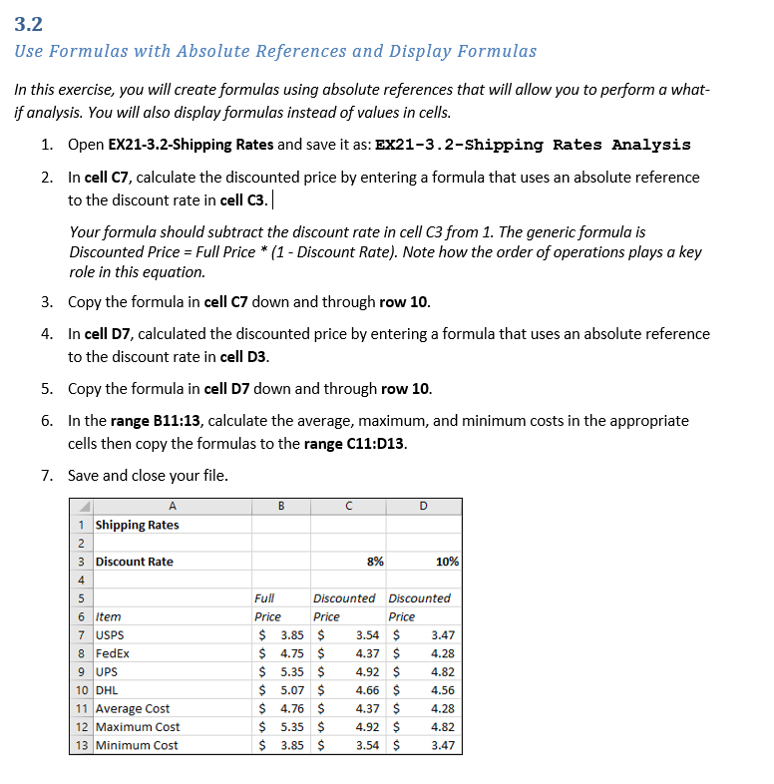
Shipping Rates

Discount Rate |  | 8% | 10%

 | Full | Discounted | Discounted
Item | Price | Price | Price
USPS | $3.85 | $3.54
FedEx | $4.75 | $4.37
UPS | $5.35 | $4.92
DHL | $5.07 | $4.66
Average Cost
Maximum Cost
Minimum Cost

