Introduction
Introduction

This document contains the specifications for the optical interface portion of the Open ROADM MSA.
The tabs in this document are provided by the Open ROADM MSA to ensure common minimum requirements for all vendors' solutions to comply. The intention is to provide a high-level of abstraction - a MACRO level - for the SDN ROADM controller to perform the most common functions in the simplest manner.
Specification Philosophy:
Some specs are included just to ensure no gross violations of that parameter. CD, GDR, MPI are examples of parameters that are not tested on every unit. Different specs drive different test requirements. Three levels of scrutiny can be applied:
1. test on every unit
2. test during design verifcation testing - sometimes sampled in manufacturing
3. guaranteed by design

README
THIS SPECIFICATION IS PROVIDED "AS IS" WITH NO WARRANTIES WHATSOEVER, INCLUDING ANY WARRANTY OF MERCHANTABILITY, NONINFRINGEMENT, FITNESS FOR ANY PARTICULAR PURPOSE, OR ANY WARRANTY OTHERWISE ARISING OUT OF ANY PROPOSAL, SPECIFICATION OR SAMPLE. THE AUTHORS DISCLAIM ALL LIABILITY, INCLUDING LIABILITY FOR INFRINGEMENT OF ANY PROPRIETARY RIGHTS, RELATING TO USE OF INFORMATION IN THIS SPECIFICATION. EACH MEMBER OF THE OPEN ROADM MSA AGREE to grant non-exclusive, Fair, Reasonable and Non-Discriminatory (FRAND) patent licenses TO MEMBERS OF THE MSA to any claim it owns or has the ability to license that are Standards Essential (i.e., mandatory, necessary or required) to make and use a product compliant with thesE Specifications under the following required conditions:
a) The patent license only covers preexisting patent claims that are Standards Essential (i.e., mandatory, necessary or required) to make and use a product compliant with THESE Specifications. The patent license does not include claims directed to Non-Standards Essential design or implementation choices; and
b) Any person or entity that intends to claim the benefit of this patent license must: (1) identify in writing which Specification(s) apply to its product(s) before said products are sold; and (2) make a reciprocal commitment in writing to license its own patent claims that are Standards Essential (i.e., mandatory, necessary or required) to make and use a product compliant with theSE Specifications under FRAND licensing terms back to mEMBERS OF THE OPEN ROADM MSA.

Architecture
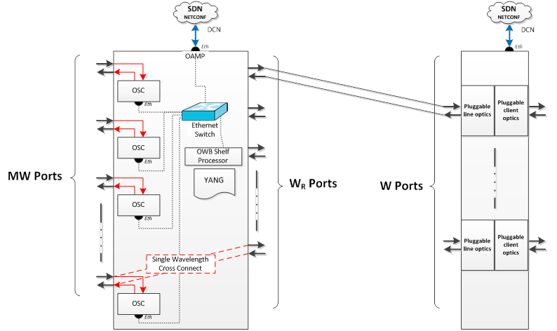
Architecture

W Optical Spec
HL - Single wavelength open interface spec |  |  |  |  | Rev 2.5

Parameter | Open spec required | Open spec desired | Units | Definition / Note
General
DWDM frequency grid | 50 (fixed grid) | 12.5 (Flex-Grid ready) | GHz | as per ITU-T G.694.1
Line rate | 111.8099736 |  | Gbps | +/- 20 ppm per ITU-T G.709
Frame format | OTU4
Line coding | NRZ-DP-QPSK

DSP Interop
DSP Training Sequences | None
DSP Pilot Tone | None
Lane order / re-ordering | OTL4.4
Lane 0 XI | 0, 4, 8, 12, 16 |  |  | Note 1) Logical Lane order per Physical Lane
Lane 1 XQ | 1, 5, 9, 13, 17
Lane 2 YI | 2, 6, 10, 14, 18
Lane 3 YQ | 3, 7, 11, 15, 19
Encoding Scheme | Differential coding |  |  | Gray Code
Symbol Mapping Input 00 | 0 | Flexibility |  | Please see note 2)
10 | 90
11 | 180
01 | -90
Enhanced FEC Option | Cortina Staircase FEC |  |  | 7% overhead

Parameter | Min | Max | Units | Definition / Note
Interface optics transmit |  |  |  | as per ITU-T G.698.2
Tx power provisionable range | -5 | 0 | dBm
Tx output power absolute accuracy | -1 | +1 | dB
X/Y polarization power balance |  | 1 | dB
Output power during initialization and wavelength tuning |  | -35 or lower | dBm
Center frequency | 191.35 | 196.1 | THz
Center frequency accuracy |  | 1.8 | Ghz
Minimum transmitter OSNR |  | 33 | dB
Minimum Signal to ASE(Res=0.1 nm) power ratio for transmitter in out of band channels |  | 40 | dB | Please see note 3)
Error Vector Magnitude |  | as per ITU spec | % | Transmitter Quality - EVM captures many paramters in one metric. Things like X/Y polarization orthogonality, I/Q power balance, I/Q orthogonality, Carrier Suppression, etc. The problem is that when it fails this test it cannot determine what the source of the failure is. Perhaps that isn't as important at this level (more for the design of the transmitter); however, some of these parameters have different effects on the quality of the received signal. In addition, different DSP implementations will be sensitive in different ways, e.g. dithers interacting with receiver control loops. Intention is to follow work in ITU to define this
Laser linewidth Tx |  | 500 | kHz
Modulated spectral width at -20dB |  | 40 | GHz | add a mask?
I/Q timing skew (possibly covered by EVM) |  | 2 | ps
X/Y timing skew |  | 5 | ps

Optical path from transmit to receive
(Residual) chromatic dispersion | 0 | 9000 | ps/nm | 9000 ps/nm intended for 500 km SMF, automated setting
Minimum optical return loss at Ss |  | 24 | dB
Maximum discrete reflectance between Ss and Rs |  | -27 | dB
Maximum differential group delay |  | 50 | ps
Maximum mean PMD |  | 15 | ps
Maximum polarization dependent loss |  | 4 | dB
Maximum interferometric crosstalk |  | -25 | dB

Interface optics receive
Rcv Input Power | -22 | +1 | dBm
Rcv total input power | -22 | +13 | dBm | assuming multiple channels received
Receiver OSNR tolerance (RS-FEC mode) |  | 22.7 | dB (0.1 nm)
Receiver OSNR tolerance (EFEC mode) |  | 17 | dB (0.1 nm)
Maximum reflectance of receiver |  | -25 | dB
Maximum local oscillator leak power |  | -32 | dBm
Total input power monitor power range | -22 | +13 | dBm
Total input power monitor absolute accuracy | -1.5 | +1.5 | dB
Rx Input Power Transient tolerance power range | -7 | +7 | dB
Rx Input Power Transient tolerance slew rate |  | 100 | us | 10-90 rise/fall time
Rx input power damage threshold CW |  | 13 | dBm
Rx input power damage threshold ASE |  | 13 | dBm
Colorless drop OSNR penalty for an interference to signal ratio <= 15dB @ the FEC limit |  | 0.2 | dB

Note 1) Per G.709 Annex C OTL4.4. Since each logical lane is identified by Logical Lane Marker (0-19) and Multi-frame alignment signal, the order of the lanes is not critical for interoperability. The receive end performs lane de-skew and multiplexing to the original frame, based on the LLM

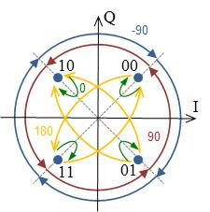
Note 2) Differential QPSK encoding uses Gray code with symbol mapping, as shown. Do we need flexibility to support multiple symbol mapping options?

Note 3) It is very important to minimize ASE noise in out of band channels in a CD ROADM architecture. Since CD ROADM architectures use a simple coupler to combine multiple Tx channels, ASE noise contribution must be limited to ensure the combined ASE from multiple channels does not degrade overall performance. Limiting ASE noise can be accomplished by using lower noise transmitter (higher Tx OSNR), or a tunable filter to limit ASE noise contribution on other channels

Local Control
Local Control

This section describes the control loop behaviour of the Whitebox ROADM. Control is defined with respect to the external high-level ports.
The controllers are instantiated on a wavelength cross-connection basis, where each such controller has two modes of operation and parameters associated with it as defined in the YANG datamodel.
Each controller has two modes:
Power control mode (with clamp limits)
the channel is brought to the target power set for the controller within the specified accuracy and within the specified slew rates, subject to the limits set by the clamp value(s)
Gain/loss mode
When initiated, this mode locks-in the gain and losses currently used in the controller acting like a hold-over mode. The local controller uses feedback to keep the loss/gain a the same level for these channels independent of the power of that channel. This allows other controllers in the cascade to operate without creating ringing in down-stream controllers. This segmentation is the function of the SDN controller to coordinate.
Power or loss/gain mode should be independent for each channel.
Each MW port implements a transient controller on the EDFA's which it has under its control to keep the gain constant throughout a transient event. The response is broken down into two time regimes, a short time scale to track over/undershoot of the gain controller, and a long time frame to capture the persistent offset which persists until either the CRS controllers can adjust (power control mode), or the SDN controller can adjust.

Gain Mode vs. Power Mode:
Cascaded identical power controllers in a system is inherently un-stable. Consider a fault, such as a fibre pinch causing an increase the loss of a transmission fibre between two ROADM nodes as shown by the black arrow in the diagram above. Every node down-stream from this fault will see a drop in their input power. The nodes, in trying to maintain a constant output power will adjust the EDFA gains by increasing pump power. If each is allowed to independently change their setpoint, they can all react simultaneously which overcompensates for the power loss and leads to ringing in the system.
To avoid this, the nodes are allowed to turn channels up to their power targets, and then are switched to a gain mode which will prevent them from responding to changes in input power. The SDN controller will then be able to sense the drop of power and localize the fault to the span where it occurred. It can then adjust the gain of the node immediately down stream from the fault and all other nodes will be at their appropriate target already.

 | Power Control Mode
 | path: | MW-MW (express) |  | MW-Wr (drop) |  | Wr-MW (add)
 | Parameters | Min. | Max. | Min. | Max. | Min. | Max. | Units
 | Per-channel output power control range | -9 | 2 | -22 | 1 | -9 | 2 | dBm
 | Per channel power accuracy | -0.5 | 0.5 | receiver power not actively controlled on drop path |  | -0.5 | 0.5 | dB
 | Maxium overshoot/undershoot during target change | -0.5 | 0.5 |  |  | -0.5 | 0.5 | dB
 | Time to achieve relative channel power target change (in service changes, up to 96 channels). Start time is the node receiving the appropriate NETCONF setting. Stop time is when all affected channels achieve Per channel power accuracy spec. |  | 8 |  |  |  | 8 | s
 | Time to achieve absolute channel power target (no channel power to in service transition, up to 96 channels) Start time is the node receiving the appropriate NETCONF setting. Stop time is when all affected channels achieve Per channel power accuracy spec. |  | 12 |  |  |  | 12 | s
Local Control Examples:
Add/Drop Channel (Wr-MW):
1. the channel of interest is set via the NETCONF interface on the W shelf. The Wr port is updated with the appropriate far-end port information, creating a link from W-->Wr (and reverse)
2. a Cross Connect for this channel is provisioned to the ROADM from Wr-->MW which includes the appropriate control parameters, in this case, Wavelength, Power Target, and Control Mode = Power.
3. Once a compliant power level has been measured at the Wr input, the processor in the ROADM is then responsible for setting all internal details to make this channel flow happen, e.g. setting WSS ports, Amp Gains, and VOA and WSS attenuation internal targets, and taking per channel measurements using the internal OPM. This must result in the channel acheiveing it's specified power target within the allowable tolerance within the time specified (seetable to the left).
3.1. The same happens in the reverse direction from MW input to Wr output.
4. The node must report the actual power measured, and aggregate gain for this channel through the NETCONF interface
5. the controller can optionally change the control mode to "Gain" which will lock in the gain target which was last used to control the power. This decouples this controller from all other cascaded controllers. However, the Add/Drop is likely to stay in Power mode.
Express (MW-MW) Channel:
1. a Cross Connect for this channel is provisioned to the ROADM from MW<-->MW which includes the appropriate control parameters, in this case, Wavelength, Power Target, and Control Mode = Power.
2. Once a compliant power level has been measured at the MW input, the processor in the ROADM is then responsible for setting all internal details to make this channel flow happen, e.g. setting WSS ports, Amp Gains, and VOA and WSS attenuation internal targets, and taking per channel measurements using the internal OPM. This must result in the channel acheiveing it's specified power target within the allowable tolerance within the time specified (see table to the left).
3. The node must report the actual power measured, and aggregate gain for this channel through the NETCONF interface
4. the controller can optionally change the control mode to "Gain" which will lock in the gain target which was last used to control the power. This decouples this controller from all other cascaded controllers.
 | Controller iteration rate |  | 4 |  |  |  | 4 | s
 | Channel power slew rate | 5 | 100 |  |  | 5 | 100 | dB/s

 | Gain Control Mode
 | path: | MW-MW (express) |  | MW-Wr (drop) |  | Wr-MW (add)
 | Parameters | Min. | Max. | Min. | Max. | Min. | Max. | Units
 | Loss/gain variation @ setpoint over time, temperature & during transitions | -0.5 | 0.5 | -0.5 | 0.5 | -0.5 | 0.5 | dB
 | Loss/gain adjustment resolution | 0.1 |  | 0.1 |  | 0.1 |  | dB
 | Time to adjust all channel losses independently up to +/- 1dB |  | 4 |  | 4 |  | 4 | s
 | Time to adjust gain setting by up to +/- 10dB |  | 1 |  | 1 |  | 1 | s

 | Transient control
 | path: | MW-MW (express) |  | MW-Wr (drop) |  | Wr-MW (add)
 | Parameters | Min. | Max. | Min. | Max. | Min. | Max. | Units
 | Dynamic transient on surviving channel due to 20dB add/drop in spectral loading in 1ms | -0.3 | 0.3 | -2.25 | 2.25 |  |  | dB
 | Dynamic transient on surviving channel due to 20dB add/drop in spectral loading in 100 us | -1.4 | 1.4 | -2.8 | 2.8 |  |  | dB
 | Residual offset on surviving channel due to 20dB add/drop in spectral loading | -1.8 | 1.8 | -2.7 | 2.7 |  |  | dB

OSC Overview
OSC

Purpose: The OSC provides either a 1GE or 100M Ethernet connection between sites over the MW ports to create the OWB LAN. The OSC optical connection is an out-of-band signal at 1510 nm which is terminated at each OWB site and propagates in the same direction as traffic bearing signals. Each TID is equipped with a shelf Ethernet switch function which is responble for creating a loop free LAN over the links (OSC connections) between the nodes (OWB TID sites). This channel will be used to reach through to remote sites when there is no direct connectivity to the AT&T Management Communication Network (MCN). More details regarding the use of the OSC are shown in Figures OSC-1 and OSC-2 below.

Nominal Configuration: |  | OSC reach-through and topology discovery:

Figure OSC-1 |  | Figure OSC-2

Nominal Configuration: The usual deployment of the OWB provides connectivity to the MCN through the OAMP port. The TID has an Ethernet Switch function which provides a loopfree LAN between all OWB sites which are connected. Loopfree connectivtiy is attained using Rapid Spanning Tree Protocol (IEEE 802.1aq). It also provides IP connectivity to the OWB HOST. The OWB host attains its IP address using DHCP (IETF RFC2131). Once assigned an IP address the OWB is configured using NETCONF. |  | OSC reach-through and topology discovery: In the event that an OWB is at a location where there is no connection available to the MCN, or that connection has failed, the node will still remain reachable through the OWB LAN. The multiple connections to the LAN shall be maintained by the MCN layer through other means such as VPLS such that they do not provide paths between OWB nodes through the MCN. LLDP shall be used to support automatic topology discovery by resolving the MAC address of the far end node. The TLV is TBD. The information resolved using this protocol include the far-end IP management address (OM Host address) and MAC Address of the far-end OSC. This combination will be unique and the MAC address of the OSC shall be associated with the appropriate MW port in the YANG data model.

Loop Prevention:

Each Whitebox ROADM node has the effective topology shown in the diagram to the right. The Ethernet Switch function is responsible for implementing a loop-free LAN. By default, the OAM port is the highest priority port on this switch while OSC ports are set lower priority. Each OSC is an Ethernet link to another Whitebox ROADM connected to its OSC. Each port on the Switch must also be provisionable to be put in a non-forwarding state, for those cases where the OSC is connected to a segregated LAN of other OWB nodes. Loop free behavior is ensured through the use of RSTP: IEEE 802.1D™-2004 IEEE Standard for Local and Metropolitan Area Networks—Media access control (MAC) Bridges (Incorporates IEEE 802.1t™-2001 and IEEE 802.1w™) OWB bridge priorities will be set by default to ensure that the Virtual CE router is always the root bridge, i.e. OWB bridge priority = 32768, VCE bridge priority << 32768. The OWB Controller is treated as a host connected directly to the Ethernet Switch. This host runs DCHP to automatically obtain its IP address from the server connected to the same LAN.

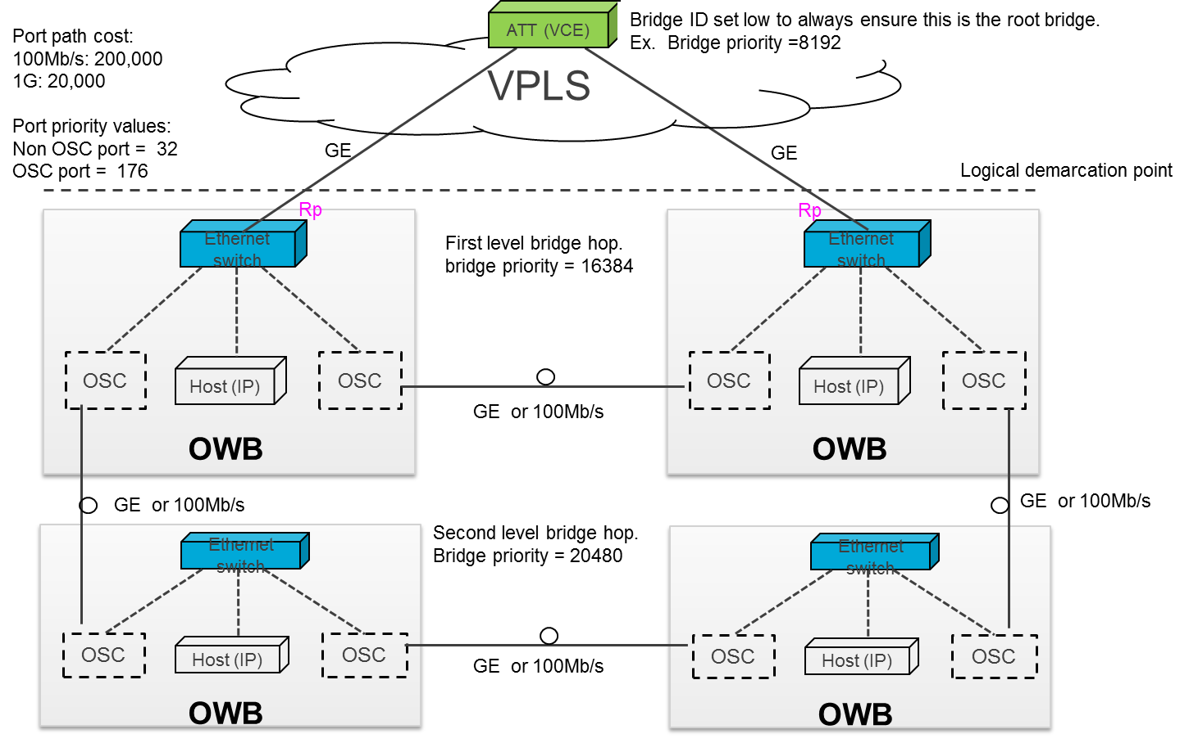
RSTP Parameter Values
Parameter | Default value | Permitted Range | Recommended Value
Migrate Time | 3 | Fixed | 3
Bridge Hello Time | 2 | Fixed | 2
Bridge Max Age | 20 | 6.0 – 40.0 | 20
Bridge Forward Delay | 15 | 4.0 – 30.0 | 15
Transmit Hold Count | 6 | 1 – 10 | 6
Bridge Priority | 32768 | 0 – 61440 in steps of 4096 | 32768
OAM Port Priority | 128 | 0 – 240 in steps of 16 | 32
OSC Port Priority | 128 | 0 – 240 in steps of 16 | 176

Port Path Cost Values
Link Rate | Recommended value | Recommended Range | Range
<=100 Kb/s | 200 000 000 | 20 000 000 – 200 000 000 | 1 – 200 000 000
100 Mb/s | 200 000 | 20 000 – 2 000 000 | 1 – 200 000 000
1 Gb/s | 20 000 | 2 000 – 200 000 | 1 – 200 000 000

Bridge Priorities
Parameter | Default value | Range | Recommended Value
Controller Bridge Priority | 32768 | 0 – 61440 in steps of 4096 | 8192
First Level Bridge Hop Priority | 32768 | 0 – 61440 in steps of 4096 | 16384
Second Level Bridge Hop Priority | 32768 | 0 – 61440 in steps of 4096 | 20480
… continues in steps of 4096 but recommend to minimize the number of levels | 32768 | 0 – 61440 in steps of 4096 | See diagram

RSTP scalability & convergence are governed by the following key considerations: Minimize number of bridge hops between root bridge, and leaf bridges. design target max of 2 bridge hops. Use point to point links. Minimize mesh connectivity. proposal ensures use of point to point links Limit each RSTP domain to less than 100 bridges. proposal recommends nominal target of up to 75 bridges (OWB ROADM Sites) per RSTP domain.

Laser Safety
Laser Safety

 | Safety - Automatic Line Shutoff
Line shutoff needs to happen in the case of single or double line faults. For this purpose, it is required that the OSC be employed to detect link status with appropriate speed to allow the shutdown of the amplifiers which are facing into the faulty line. The OSC is co-propagating with the traffic bearing channels (see diagram).
Autonegotiate is set on each port of the OSC links. The detection of the line status is based on bidirectional Link Down detection. (NEED MORE DETAIL ON TIMING AND AUTO_NEG_SYNC_DATA)
The Line Shutoff condition is set by the following logic: STC && LD
Line Shutoff must accomplish the shutdown of any amplifier facing into a disconnected fiber within 3 seconds. This corresponds to a maximum permissible exposure for Restricted Locations to light in the 1550nm range of power up to 428mW as per IEC 60825-1. Therefore, each node shall detect OSC link status and perform shutdown of the out-going amplifier within at most 1.5 seconds for all cases.

 | Line Shutoff Process - Single Fiber Cut:

 | Automatic Shutoff Logic Detail: | LEGEND: |  |  |  |  |  |  |  |  | Acronyms
 |  |  | = changed from previous state |  |  |  |  |  |  |  | STC = Shutoff Threshold Crossed
 | time | Node 1 |  |  |  | Node 2 |  |  |  | notes | LD = Link Down
 |  | STC | LD | FSO | ALSO | STC | LD | FSO | ALSO |  | FSO = Forced Shutoff
 | no cuts | 1 | 0 | 0 | FALSE | 1 | 0 | 0 | FALSE | no traffic | ALSO = Automatic Line Shutoff
 | no cuts | 0 | 0 | 0 | FALSE | 0 | 0 | 0 | FALSE | with traffic
 | cut i | 0 | 0 | 0 | FALSE | 1 | 0 | 0 | FALSE
 |  | 0 | 1 | 0 | FALSE | 1 | 1 | 0 | TRUE
 |  | 1 | 1 | 0 | TRUE | 1 | 1 | 1 | TRUE
 |  | 1 | 1 | 1 | TRUE | 1 | 1 | 1 | TRUE
 |  | 1 | 1 | 1 | TRUE | 1 | 1 | 1 | TRUE | steady state
 | repair i | 1 | 1 | 1 | TRUE | 1 | 1 | 1 | TRUE
 |  | 1 | 0 | 1 | FALSE | 1 | 0 | 1 | FALSE
 |  | 0 | 0 | 0 | FALSE | 0 | 0 | 0 | FALSE
 |  | 0 | 0 | 0 | FALSE | 0 | 0 | 0 | FALSE | steady state
 | cut i&ii | 1 | 0 | 0 | FALSE | 1 | 0 | 0 | FALSE
 |  | 1 | 1 | 0 | TRUE | 1 | 1 | 0 | TRUE
 |  | 1 | 1 | 1 | TRUE | 1 | 1 | 1 | TRUE
 |  | 1 | 1 | 1 | TRUE | 1 | 1 | 1 | TRUE | steady state
 | repair i | 1 | 1 | 1 | TRUE | 1 | 1 | 1 | TRUE
 |  | 1 | 1 | 1 | TRUE | 1 | 1 | 1 | TRUE | steady state
 | repair ii | 1 | 1 | 1 | TRUE | 1 | 1 | 1 | TRUE
 |  | 1 | 0 | 1 | FALSE | 1 | 0 | 1 | FALSE
 |  | 0 | 0 | 0 | FALSE | 0 | 0 | 0 | FALSE
 |  | 0 | 0 | 0 | FALSE | 0 | 0 | 0 | FALSE | steady state
 | cut iii | 0 | 0 | 0 | FALSE | 0 | 0 | 0 | FALSE
 |  | 0 | 1 | 0 | FALSE | 0 | 1 | 0 | FALSE | steady state
 | repair iii | 0 | 1 | 0 | FALSE | 0 | 1 | 0 | FALSE
 |  | 0 | 0 | 0 | FALSE | 0 | 0 | 0 | FALSE | steady state

