10pie
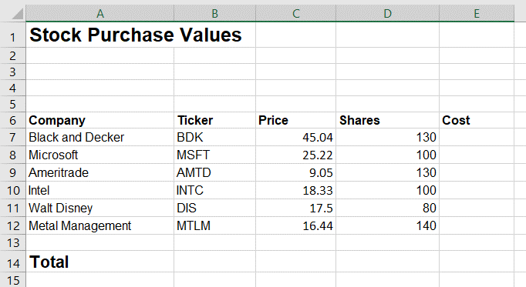

Create Formulas - Cell alignment - Format values as currency
Type all the data in the image to the right (from A1 - E14)
1. Center the title in cell A1 across the range A1:E1
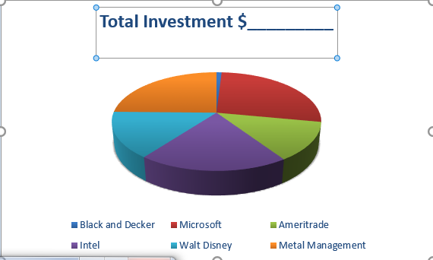
2. Enter the date in A3 and center across the range A3:E3
3. Center the Labels in A6:E6
4. Right align the entries in B7:B12
5. Center the label in A14 across A14:D14
6. In E7, multiply the price by the shares
7. Complete column E and format as currency
8. in E14, enter the formula for the total cost
9. Enter the label Average Cost in A15
10 Center the label in A15 across A15:D15
11. In E15, enter the formula for the average cost
12. Create a pie chart including the names of the stocks and costs
13. Change the Title to "Total Investment and the sum"

