Sheet1
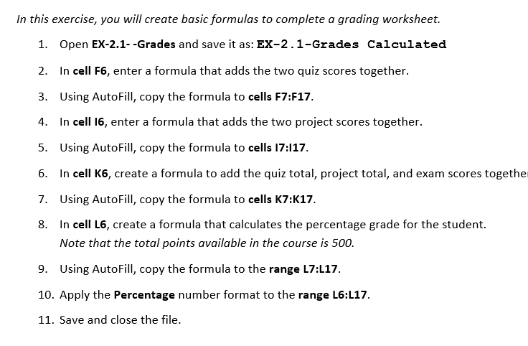
LearnFast College
Excel Fundamentals
Fall Semester

First | Last | Student ID# | Quiz 1 | Quiz 2 | Quiz Total | Project 1 | Project 2 | Project Total | Exam | Final Points | Final Grade
Maddie | Bates | 45742 | 78 | 80 |  | 87 | 90 |  | 92
Irie | Eberle | 83920 | 87 | 75 |  | 92 | 87 |  | 79
Emily | Bennett | 55230 | 73 | 88 |  | 90 | 92 |  | 89
Dallas | Martinez | 19283 | 66 | 81 |  | 85 | 99 |  | 75
Daniel | Placer | 42093 | 90 | 99 |  | 76 | 100 |  | 91
Robin | Dohrn | 54309 | 82 | 92 |  | 88 | 85 |  | 65
Karaline | Eagle | 22938 | 100 | 89 |  | 79 | 89 |  | 99
Madi | Charter | 39873 | 97 | 92 |  | 63 | 83 |  | 100
Tim | Martushev | 87203 | 67 | 59 |  | 58 | 69 |  | 68
Holly | Christof | 76398 | 71 | 63 |  | 77 | 88 |  | 85
Heidi | Chisman | 66209 | 80 | 79 |  | 94 | 92 |  | 75
Drew | Marshall | 42109 | 95 | 85 |  | 90 | 89 |  | 79

