Instructions
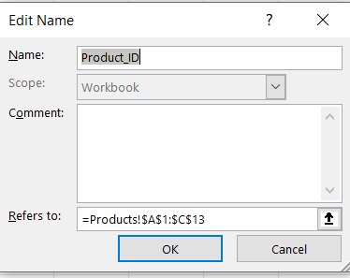
1 | Click into G3. Explain in cell C1 on this sheet, why you see today's date there.
2 | Click into G6 and follow the instructions that appear. Explain on C2 on this sheet where the message came from and how to edit or delete it.
3 | Create a Data Validation rule for items in Cells A15:17 using the items on the product page
4 | Create a Named range for Product_ID
5 | In B17 create a VLOOKUP function to find the item description from the products page
6 | In C17 create a VLOOKUP function to find the price of the item
7 | In E15 create a formula to multiply the units times the price
8 | In E19 create a formula to add add the items
9 | In E20 create a conditional formula that adds shipping if subtotal is less than $100, free shipping if greater than or = to $100
10 | In E21 enter a grand total for the invoice
11 | Enter any 3 items for the invoice and put a quantity of units
12 | Add an image or logo to coordinate with they type of products sold.
13 | Prepare for PDF print so that the invoice is on one page and looks professional. Feel free to fill in addresses and style it
14 | Send me a PDF and excel file for grading.

