Sheet2
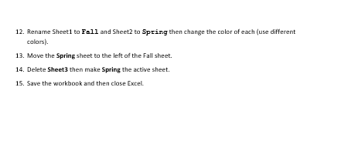
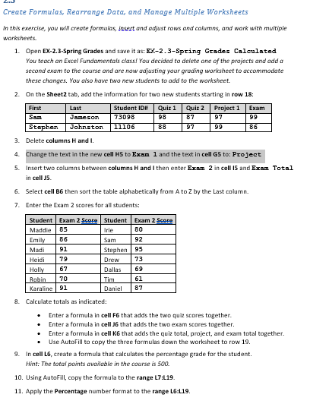
LearnFast College
Excel Fundamentals
Spring Semester

First | Last | Student ID# | Quiz 1 | Quiz 2 | Quiz Total | Project 1 | Project 2 | Project Total | Exam | Final Points | Final Grade
Maddie | Bates | 45742 | 68 | 81 |  | 82 |  |  | 92
Irie | Eberle | 83920 | 75 | 84 |  | 89 |  |  | 79
Emily | Bennett | 55230 | 84 | 79 |  | 99 |  |  | 89
Dallas | Martinez | 19283 | 70 | 75 |  | 94 |  |  | 75
Daniel | Placer | 42093 | 86 | 98 |  | 79 |  |  | 91
Robin | Dohrn | 54309 | 99 | 91 |  | 81 |  |  | 65
Karaline | Eagle | 22938 | 89 | 78 |  | 75 |  |  | 99
Madi | Charter | 39873 | 79 | 93 |  | 69 |  |  | 100
Tim | Martushev | 87203 | 64 | 58 |  | 54 |  |  | 68
Holly | Christof | 76398 | 69 | 57 |  | 82 |  |  | 85
Heidi | Chisman | 66209 | 82 | 75 |  | 97 |  |  | 75
Drew | Marshall | 42109 | 91 | 84 |  | 93 |  |  | 79

Sheet 1 has been hidden

